Coding, testing, and deployment
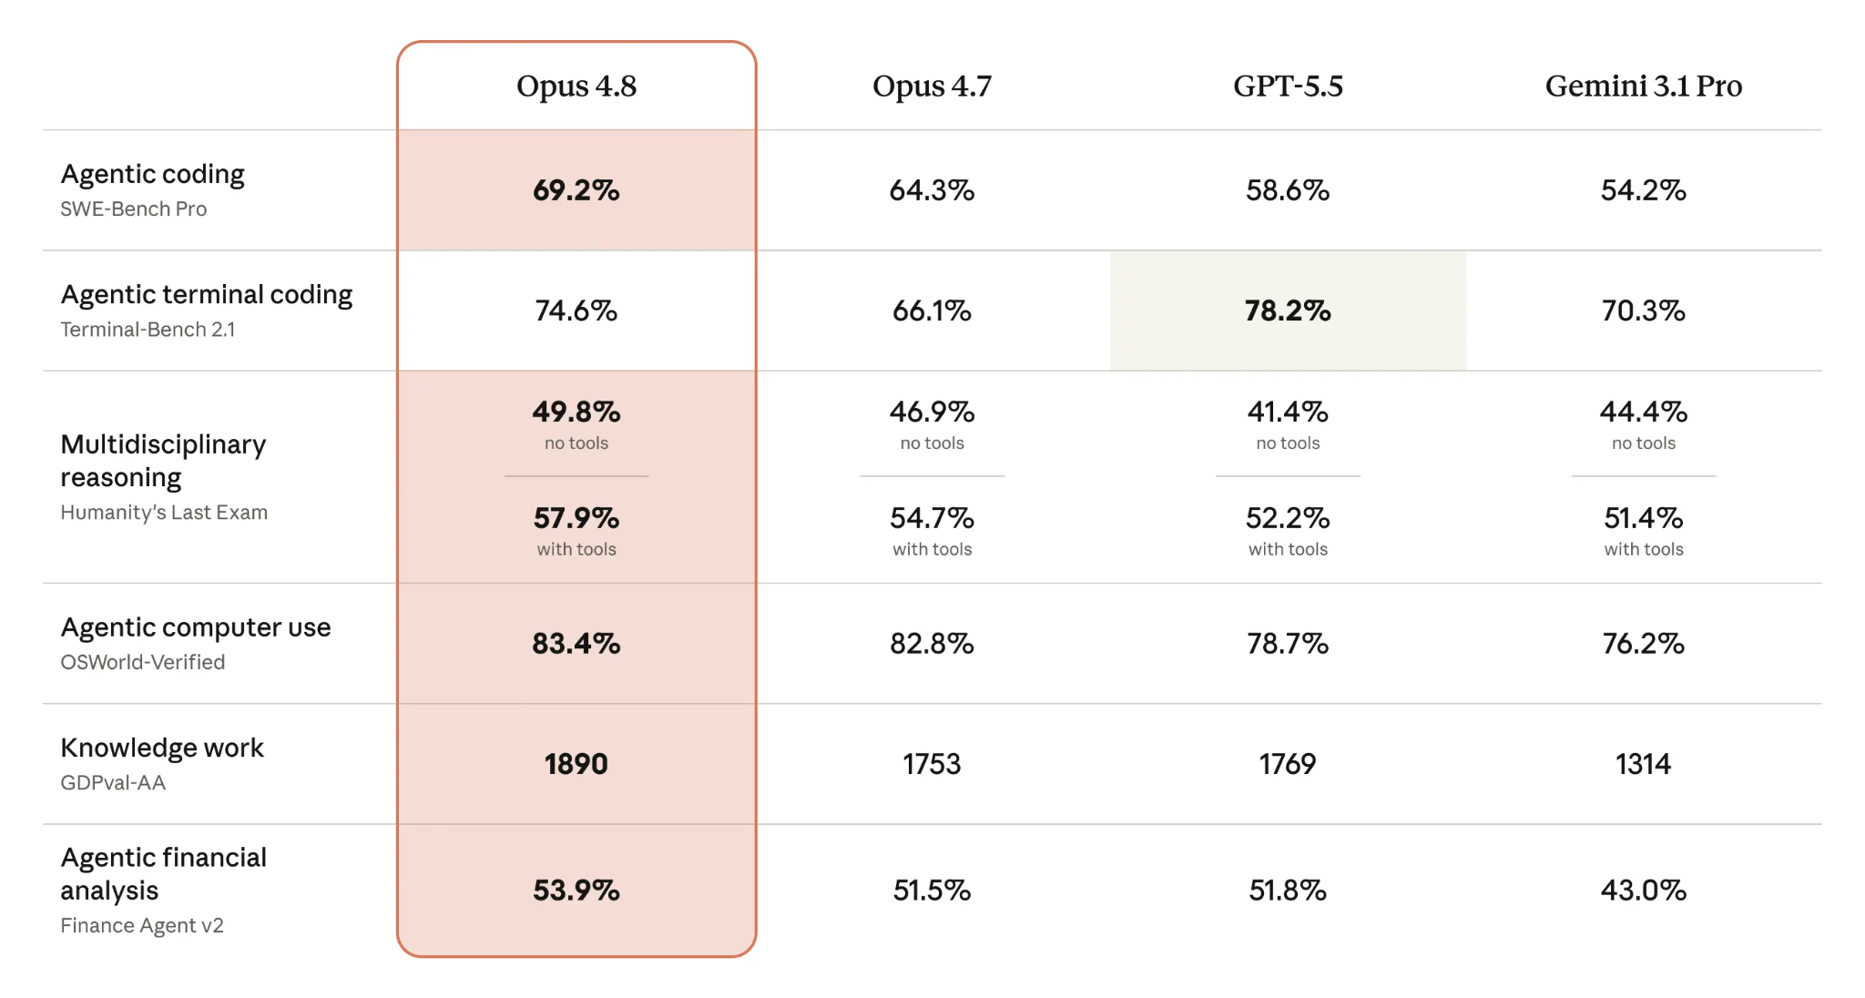
Coding, Testing and Deployment with AI | Brief Description | Duration | Free or paid | Who should attend this course and what will you learn | Certificate | Assessment | Verified
AI tool for coding | Cursor | Depends on the learner. check out free courses online | Free for students | Most widely adopted tools for coding, exclude vibe coding | NA | NA | Verified
QODO GitHub | Qodo-Cover | Depends on the learner. | Free for students | An AI-Powered Tool for Automated Test Generation and Code Coverage Enhancement! | NA |  | Verified
Chat GPT for students | Chat GPT helps students study smarter, plan better and get more done | A huge resource for CSE students. | Free | ChatGPT maker OpenAI is ramping up efforts to attract Indian developers to adopt its coding platform Codex and is expanding its partnerships through various communities. |  |  | Verified
GitHub Student | Developer pack for students | Claude Pro access is free for students. Signup TODAY before its too late | Free | It is important to note that for students it is necessary to create an account with GitHub Student Developer Pack and access Codex for coding and learning |  |  | Verified
GitHub Co-Pilot | AI Programming tool | Check out | Free | YouTube Video |  |  | Verified
Codedex | CodeDex is now a part of the Student Developer pack | Signup with Github | Free | Entire CSE course is available for free to students |  |  | Verified
Anthropic Academy for students | AI Fluency for students | Learn at your own pace | Freely available | Engineers who want to speed up their development workflow with AI assistance | Quiz |  | Verified
Anthropic Academy | Claude 101 | Learn at your own pace | Freely available | Learn how to use Claude for everyday work tasks, understand core features, and explore resources for more advanced learning on other topics. | Yes |  | Verified
Anthropic Claude ai | Agentic coding with Claude Opus 4.8 | Free to use with Claude ai free account | Try | Compare performance with other AI tools | Check | Table, see below, E14-H29 | Pl verify
Anthropic Academy | Many more Anthropic courses for advanced work | Learn at your own pace | Freely available | Claude Co work, Framework and foundation, building with Claude API, Model Control Protocol and many more | Yes(certificate of completion) |  | Verified
Codeium (Windsurf) | Mocdern coding superpower | Unlimited single and multi-line code completions forever | Free | IDE-integrated chat: no need to leave VSCode to ChatGPT, and use convenient suggestions such as Refactor and Explain | NA |  | Verified

